COEFFICIENT
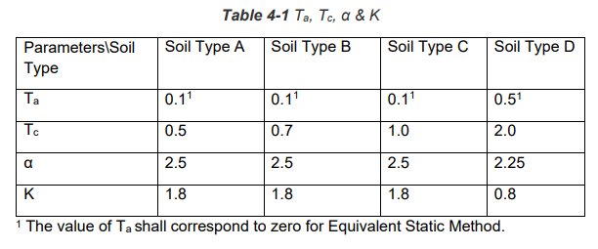
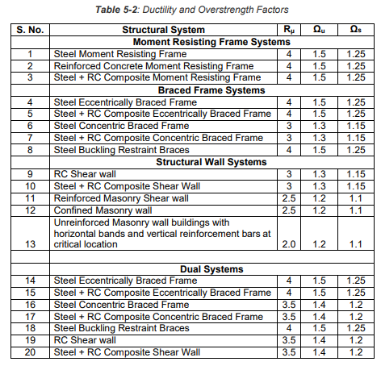
BASE SHEAR COEFFICIENT AS PER NBC 105: 2020
 | Z | = | 0.35 | Kathmandu | Table 4-5
 | I | = | 1.25 | Residential | Table 4-6
 | Ch(T) | = | 2.5 |  | Clause: 4.1.2
 | T | = | 0.6117 | Sec | (Ta<T<Tc)
 | Soil Type | = | C |  | Table 4-4
 | a | = | 2.5 | check table 4.1 | Table 4-1 | soil type D
 | Ta | = | 0.1 |  | Table 4-1
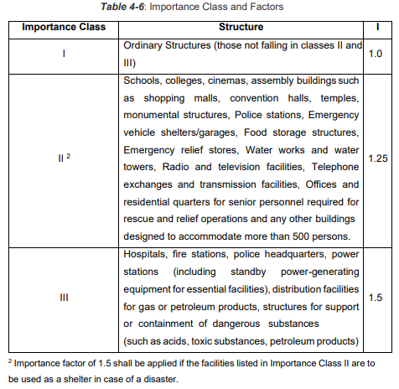
 | Tc | = | 1 |  | Table 4-1
 | Td | = | 4 |  | Table 4-1
For Ultimate Limit State | C(T) = Ch(T) Z I | = | 1.09375 |  | Clause: 4.1.1
For Serviceability Limit State | Cs(T) = 0.2 C(T) | = | 0.21875 |  | Clause: 4.2

Horizontal Base Shear Coefficient for Ultimate Limit State (Clause: 6.1.1)

 | Rm | = | 3.5
 | Wu | = | 1.4
 | Cd(T1) | = | 0.2232

Horizontal Base Shear Coefficient for Serviceability Limit State (Clause: 6.1.2)

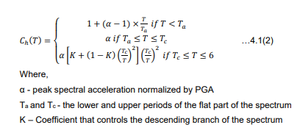
 | Ws | = | 1.2
 | Cd(T1) | = | 0.1823

